Introduction
 |  | Microbial barrier analysis | The Excel-calculation model is prepared by:
 |  | Based on Norwegian Water report 202/2014 - Microbial barrier analysis (MBA) - a guideline (Ødegaard, et al.) | Asle Aasen, Bergen Vann Svein Forberg Liane, Norconsult Jon Brandt, Asplan Viak

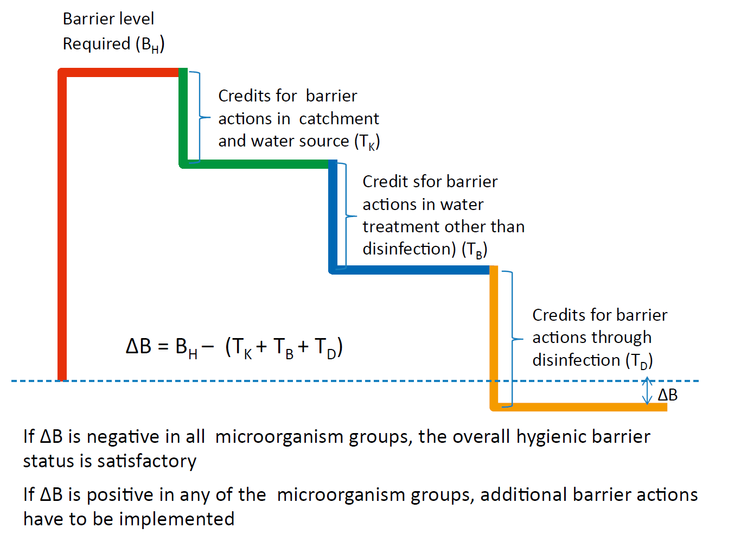
The procedure is carried out by determining the following:

1 | The risk and vulnerability assessment of the system is based on:
 | 1.1 | Raw water quality – giving us a starting point of the quality level
 | 1.2 | Water utility size (the size of the water treatment plant)
 | 1.3 | Type of water source (becomes important when determining necessary log-reduction)

2 | Point 1 determines the required barrier level, that must to be achieved to ensure an adequate hygienic barrier in the entire water treatment plant.
 | 2.1 | The required barrier level is defined as the log-reduction in the three microorganism groups (bacteria, viruses and parasites) that must be achieved through barrier actions in the water treatment plant.

3 | "Log-credits" (reductions) may be given for the following actions:
 | 3.1 | Barrier actions in catchment area and in the water source
 | 3.2 | Water treatment actions beyond the final disinfection
 | 3.3 | Improved monitoring and operation surveillance for the water source and water treatment plant

4 | By subtracting log-credits from the barrier level required, the log-reduction needed, in the final disinfection step or possible new extended water treatment process, may be determined.

Start
Registration

Fill out the name of the water treatment plant and its owner:

Owner of water treatment plant: |  |  | BB
Name of the water treatment plant: |  |  | VV

It is assumed that the user of this Excel-based model is familiar with MBA report 202/2014.
Cells where values can /should be entered are highlighted in gray.
The model is mostly based on YES and NO questions. Predefined choices have been made in the model that appear as a possible selection, when the cursor is placed in a cell.

Determination of the required barrier level

Determine the necessary barrier level for water treatment plant, from its raw water source (water quality) and water treatment plants size. See figure and table below.
Required barrier level should be written in the cells bellow - and it is then transferred to the summary sheet:

Required barrier level
Bacteria | Viruses |  |  | Parasites

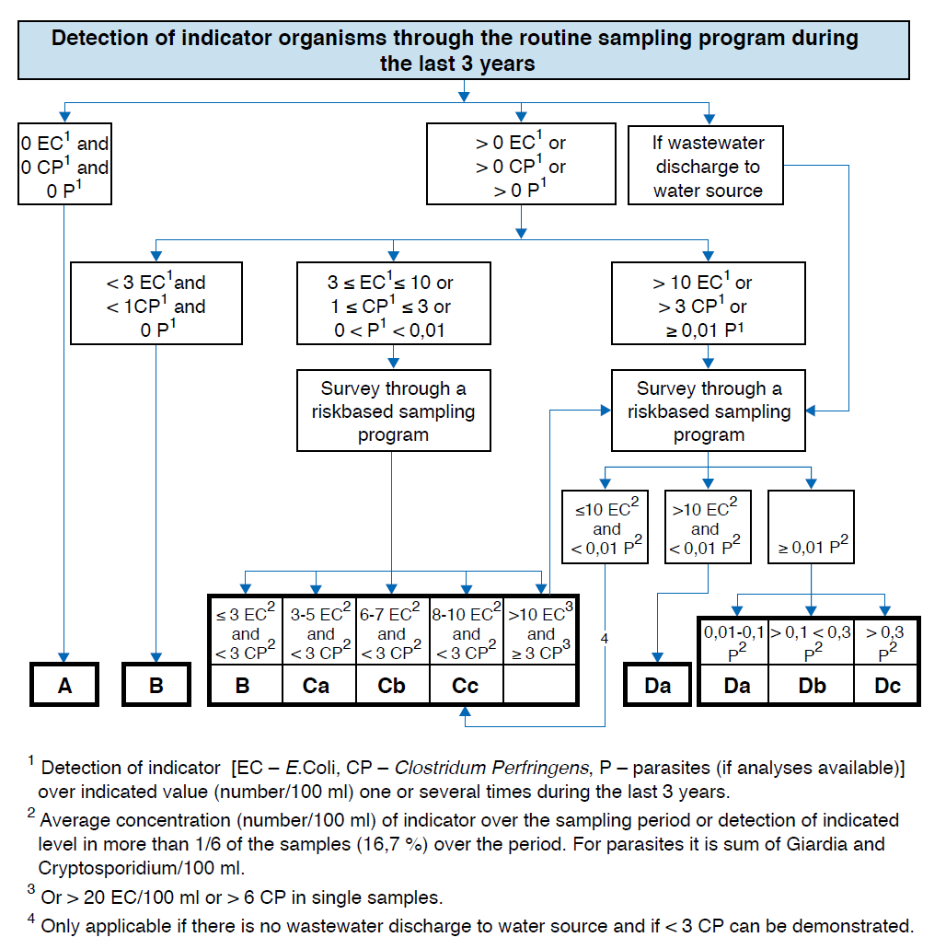

Raw water quality of a water source can be determined by using the table below (Table 2.2 from the report 202/2014). This is based on historical raw water quality data (see the figure above). If there is discharge of purified or uncleaned wastewater into the drinking water source, the source is directly categorized as category D (Da,Db or Dc). Along with the size of the water treatment plant, you find the necessary barrier level.
Size of water system
 | A |  |  | B |  |  |  | C |  |  | D
 | b | v | p | b | v | p |  | b | v | p | b | v | p
<1000 | 3.0 | 3.0 | 2.0 | 4.0 | 4.0 | 2.0 | a | 4.5 | 4.5 | 2.5 | 5.0 | 5.0 | 3.0
 |  |  |  |  |  |  | b | 4.5 | 4.5 | 2.75 | 5.0 | 5.0 | 3.5
 |  |  |  |  |  |  | c | 4.5 | 4.5 | 3.0 | 5.0 | 5.0 | 4.0
1000 - 10000 | 3.5 | 3.5 | 2.5 | 4.5 | 4.5 | 2.5 | a | 5.0 | 5.0 | 3.0 | 5.5 | 5.5 | 3.5
 |  |  |  |  |  |  | b | 5.0 | 5.0 | 3.3 | 5.5 | 5.5 | 4.0
 |  |  |  |  |  |  | c | 5.0 | 5.0 | 3.5 | 5.5 | 5.5 | 4.5
>10000 | 4.0 | 4.0 | 3.0 | 5.0 | 5.0 | 3.0 | a | 5.5 | 5.5 | 3.5 | 6.0 | 6.0 | 4.0
 |  |  |  |  |  |  | b | 5.5 | 5.5 | 3.8 | 6.0 | 6.0 | 4.5
 |  |  |  |  |  |  | c | 5.5 | 5.5 | 4.0 | 6.0 | 6.0 | 5.0

UV
Owner of water treatment plant: |  | BB
Name of the water treatment plant: |  | VV

Log-credit for UV-disinfection

Maximum log-reduction for approved UV plants at varying UV-dose: |  | Bacteria | Virus excl. Adenovirus | Virus based on Adenovirus | Parasites
UV-dose 40 mJ/cm2 determined biodosimetrically |  | 4.00 | 3.50 | 1.25 | 4.00
UV-dose 30 mJ/cm2 calculated biodosimetrically |  | 3.00 | 2.50 | 0.75 | 3.00

Special cases (Table 3.9): |  | Bacteria | Virus excl. Adenovirus | Virus based on Adenovirus | Parasites
UV-dose 30 mJ/cm2 determined biodosimetrically |  | 3.50 | 3.00 | 1.00 | 3.50
UV-dose 25 mJ/cm2 calculated biodosimetrically |  | 3.00 | 2.50 | 0.75 | 3.00

Select the category for maximum disabling UV disinfection in the drop-down menu below (by placing your arrow in the cell below you will get the help menu): |  | Bacteria | Virus excl. Adenovirus | Virus based on Adenovirus | Parasites
Does not have UV disinfection |  | 0.00 | 0.00 | 0.00 | 0.00

Reduction in log-credit for UV-disinfection (in % of maximum log-reduction) because of safety breaches for various main categories of barrier actions, as well as credit (in % of maximum log-reduction) for measures actually implemented in each category (Table 3.10):

A | Actions for temporary failure or reduced effect of the UV-irradiation: |  |  | Evaluation (Yes/No) | Influence on log reduction | Bacteria | Viruses | Parasites | Bacteria | Viruses | Parasites
 | Lack of actions provides maximum deduction of: |  | 10% |  |  | 0.00 | 0.00 | 0.00 | 0.00 | 0.00 | 0.00
A1 | Automatic shutting down of all water production (requires sufficient equalizing volume in the system) |  | 10% | NO | 0% |  |  |  | 0.00 | 0.00 | 0.00
A2 | Alarm and automatic start-up of reserve disinfection - for instance chlorination facility |  | 5% | NO | 0% |  |  |  | 0.00 | 0.00 | 0.00
 | Maximum deduction in category A |  |  |  |  |  |  |  | 0.00 | 0.00 | 0.00

B | Actions to reduce the risk of temporary failure or reduced effect of the UV-irradiation: |  |  |  |  | Bacteria | Viruses | Parasites | Bacteria | Viruses | Parasites
 | Lack of actions provides maximum deduction of: |  | 20% |  |  | 0.00 | 0.00 | 0.00 | 0.00 | 0.00 | 0.00
B1 | UPS installed |  | 10% | NO | 0% |  |  |  | 0.00 | 0.00 | 0.00
B2 | Back-up generator installed |  | 10% | NO | 0% |  |  |  | 0.00 | 0.00 | 0.00
B3 | Documentation of good and reliable power supply |  | 5% | NO | 0% |  |  |  | 0.00 | 0.00 | 0.00
 | Maximum deduction in category B |  |  |  |  |  |  |  | 0.00 | 0.00 | 0.00

C | Other design related issues: |  |  |  |  | Bacteria | Viruses | Parasites | Bacteria | Viruses | Parasites
 | Lack of actions provides maximum deduction of: |  | 30% |  |  | 0.0 | 0.00 | 0.0 | 0.00 | 0.00 | 0.00
C1 | Several UV-reactors designed and installed in such a way that full supply may be maintained at lapse of one |  | 5% | NO | 0% |  |  |  | 0.00 | 0.00 | 0.00
C2 | Separate flow measurement for each UV-reactor to secure good hydraulic control |  | 10% | NO | 0% |  |  |  | 0.00 | 0.00 | 0.00
C3 | Control sensors (UV intensity, UV-transmission etc.) correctly located |  | 5% | NO | 0% |  |  |  | 0.00 | 0.00 | 0.00
C4 | Equalization volume located after UV-plant |  | 10% | NO | 0% |  |  |  | 0.00 | 0.00 | 0.00
C5 | Reserve disinfection plant installed for instance chlorination facility |  | 5% | NO | 0% |  |  |  | 0.00 | 0.00 | 0.00
 | Maximum deduction in category C |  |  |  |  |  |  |  | 0.00 | 0.00 | 0.00

D | Other operation related issues: |  |  |  |  | Bacteria | Viruses | Parasites | Bacteria | Viruses | Parasites
 | Lack of actions provides maximum deduction of: |  | 30% |  |  | 0.00 | 0.00 | 0.00 | 0.00 | 0.00 | 0.00
D1 | A storage of critical reserve equipment (quartz-pipes, lamps, o-rings, wipers, wiper driving gear, ballasts, ballast fan, UV sensors and UV-transmissions sensors) |  | 5% | NO | 0% |  |  |  | 0.00 | 0.00 | 0.00
D2 | Automatic shutting down of all water production if operation in connection with start-up |  | 10% | NO | 0% |  |  |  | 0.00 | 0.00 | 0.00
D3 | Good dose control |  | 10% | NO | 0% |  |  |  | 0.00 | 0.00 | 0.00
D4 | Automatic shutting down of all water production if operation is outside validation range |  | 10% | NO | 0% |  |  |  | 0.00 | 0.00 | 0.00
D5 | Alarm if the operation is outside validation range |  | 5% | NO | 0% |  |  |  | 0.00 | 0.00 | 0.00
D6 | Satisfactory routines for cleaning, control and calibration of sensors |  | 5% | NO | 0% |  |  |  | 0.00 | 0.00 | 0.00
D7 | Documentation of operation in terms of duration curves (curves that display calculated dose as a function of time) |  | 5% | NO | 0% |  |  |  | 0.00 | 0.00 | 0.00
 | Maximum deduction in category D |  |  |  |  |  |  |  | 0.00 | 0.00 | 0.00

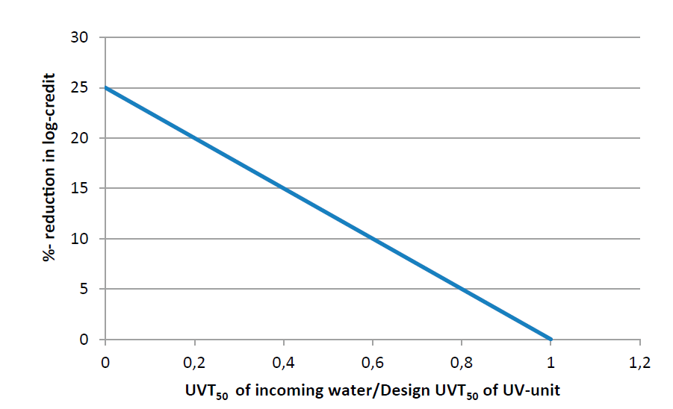
 |  |  |  | Reduced inactivation rate because of missing implemented measures: |  |  |  |  | 0.00 | 0.00 | 0.00
 |  |  |  | If UV-transmission of incoming water is lower than UV-plant is designed for, the log reduction shall be reduced (Figure 3.6):
 |  |  |  | UV-units designed UV-transmission per. 5 cm (UVT50)
 |  |  |  | UV-transmission per. 5 cm of incoming water / water after failure in previous particle removal step (UVT50)
 |  |  |  | According to Figure 3.6, this gives a reduction factor of:
 |  |  |  | Log-credit for UV-disinfection including deductions. Transfers to summary. |  |  |  |  | 0.00 | 0.00 | 0.00
 | Figure 3.6 Reduction (in %) of calculated log-credit for UV-disinfection because of low UV-transmission in incoming water to UV plant and UV-transmission design.
 |  |  |  | The deduction in log-credit can be avoided, if the amount of water that is supplied to the UV-plant is reduced to the point, where the increased UV-dose used results in a sustainable log-reduction, when the upstream treatments, that are supposed to improve the transmission, are out of operation. If the water production is shut down automatically, when the operating conditions in the UV-plant are outside of the operating range that the UV-plant is certified for, then no deduction in log-credit shall be done.

